Input-Output
Bakkie & Driver Registration |  |  |  |  |  | Display Page on Website
Required Information |  |  | Required Images/Photos |  |  |  |  | Ricky |  |  |  |  | 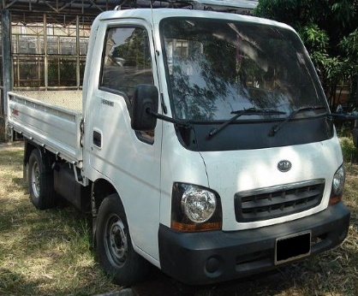
Name | Richard |  |  | Driver's License | Each must have upload button link |  |  | EASTERNCAPE |  | Humansdorp
Surname | Shaw |  |  |  |  |  | R | 360 | Ad Hoc Rate | (Free | 120 | km's)
Nick name | Ricky | (What your friends call you) |  | Recent Photo (Head & Shoulders) |  |  | R | 1000 | Daily Rate | (Unlimited km's - 8 hrs)
Cell Number | +27823456789 | (WhatsApp Link Button) |  |  |  |  |  | (Excludes FUEL; LABOUR)
Email | ricky@gmail.com |  |  | Photo of Bakkie (Front & Side)
Province | EASTERNCAPE
Hometown | Humansdorp
Ad Hoc Rate | 360
Free km's | 120
Daily Rate | 1000

